DefineDynamicRange
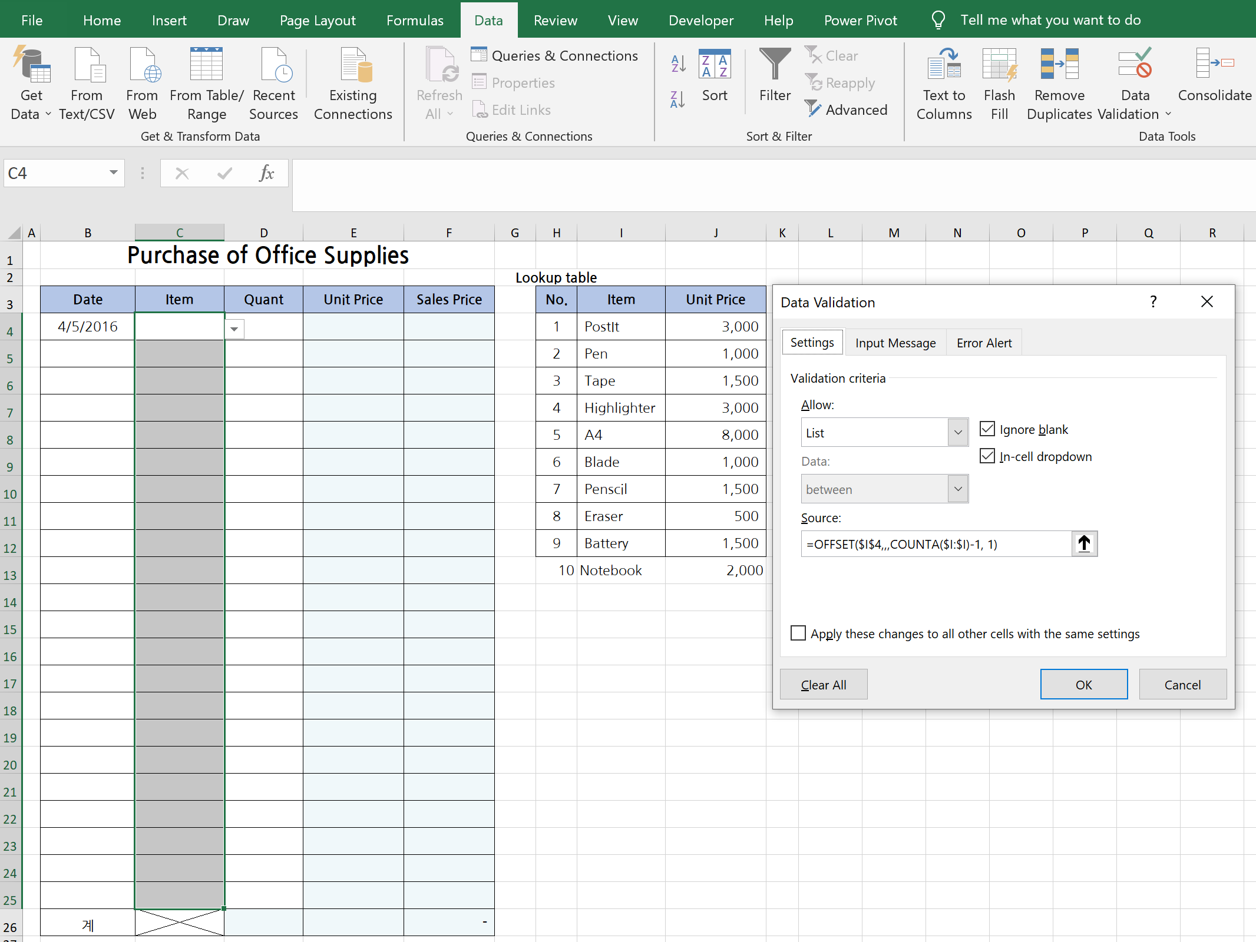
Purchase of Office Supplies
 |  |  |  |  | Lookup table
Date | Item | Quant | Unit Price | Sales Price | No. | Item | Unit Price
2016-04-05 |  |  |  |  | 1 | PostIt | 3,000
 |  |  |  |  | 2 | Pen | 1,000
 |  |  |  |  | 3 | Tape | 1,500
 |  |  |  |  | 4 | Highlighter | 3,000
 |  |  |  |  | 5 | A4 | 8,000
 |  |  |  |  | 6 | Blade | 1,000
 |  |  |  |  | 7 | Penscil | 1,500
 |  |  |  |  | 8 | Eraser | 500
 |  |  |  |  | 9 | Battery | 1,500
 |  |  |  |  | 10 | Notebook | 2,000

1. Define the range which will get applied data validation (shown in greay boxes)
2. Go to "Data Validation"
3. Choose "List"
4. Create a dynamic range uisng "offset() and counta()" functions

계 |  |  |  | -

